Sheet1
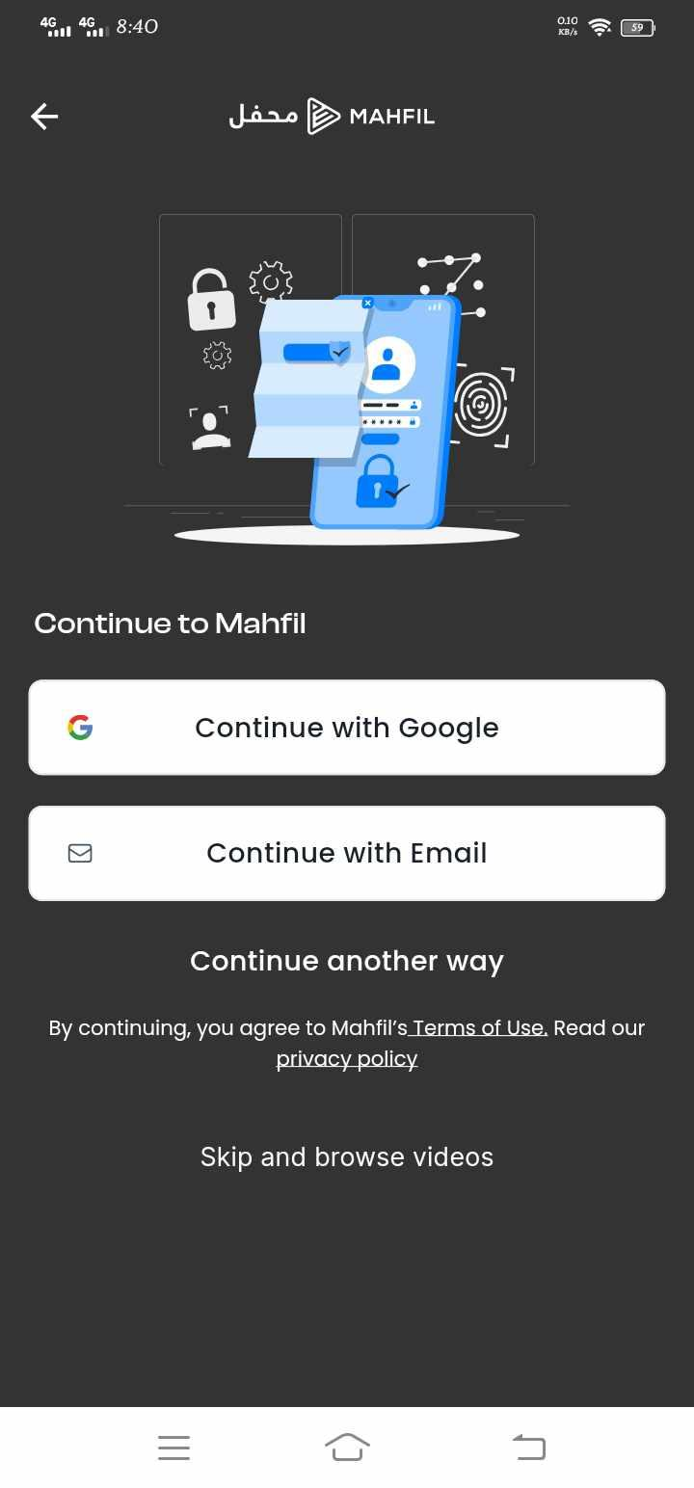
Category | Label | Value
Bug ID | Bug ID Number | #001
 | Reporter Name | Sanjida Akter
 | Submission date | 2024-06-02
Bug Overview | Summary | Cant log in with the same account after log out
 | Notes | no
 | Screenshot | Attached
Environment | Platform | Mobile
 | Operating System | Android 11
Bug Details | Steps to Reproduce | Log in then log out
 | Expected Results | Log in/Sign in option after Sign up
 | Actual Results | Doing Sign up again
Bug Tracking | Severity | Major
 | Priority | High

Category | Label | Value
Bug ID | Bug ID Number | #002
 | Reporter Name | Sanjida Akter
 | Submission date | 2024-06-02
Bug Overview | Summary | Password recovery option not applicable
 | Notes | no
 | Screenshot | Not Attached
Environment | Platform | Mobile
 | Operating System | Android 11
Bug Details | Steps to Reproduce | Logged Out
 | Expected Results | Password recovery option should be in login interface
 | Actual Results | No Login option
Bug Tracking | Severity | Major
 | Priority | High


Category | Label | Value
Bug ID | Bug ID Number | #003
 | Reporter Name | Sanjida Akter
 | Submission date | 2024-06-02
Bug Overview | Summary | Notiffication count num not available
 | Notes | no
 | Screenshot | Attached
Environment | Platform | Mobile
 | Operating System | Android 11
Bug Details | Steps to Reproduce | Sign in Status
 | Expected Results | Notiffication count num should be shown up when notiffication exists
 | Actual Results | Notiffication count num not showing when notiffication exists inside
Bug Tracking | Severity | Minor
 | Priority | Midium


Category | Label | Value
Bug ID | Bug ID Number | #004
 | Reporter Name | Sanjida Akter
 | Submission date | 2024-06-02
Bug Overview | Summary | Random search result
 | Notes | no
 | Screenshot | Attached
Environment | Platform | Mobile
 | Operating System | Android 11
Bug Details | Steps to Reproduce | Sign in Status ,Search with relevent keyword
 | Expected Results | Search result should be appeare by category, date, or popularity
 | Actual Results | Search result appeared by random
Bug Tracking | Severity | Minor
 | Priority | Low

